Solutions - start here
 |  | All rights reserved -
 |  | www.Excel-Practice-Online.com

Exercises:
Using the "Data" tab, perform the following filtering:

Guidance:
List range is the range you want to filter.
Criteria range is the range that contains criteria by which you'd like to filter. Don't forget to use the same column name!

1. Filter for people who’s hobbies are: Chess, Football, Karate, Reading or Tennis

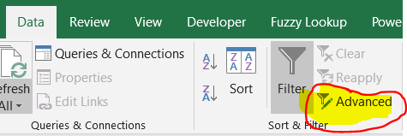

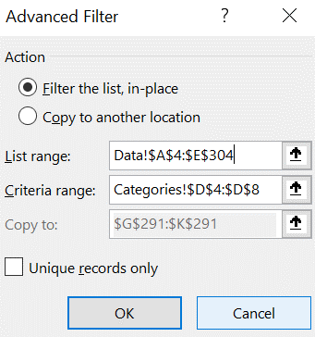

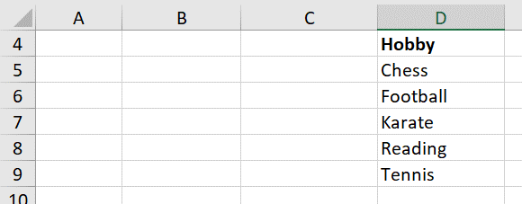

 | Click here to see the result of the filtering!

2. Find people who live in London and have the hobby of Bird Watching

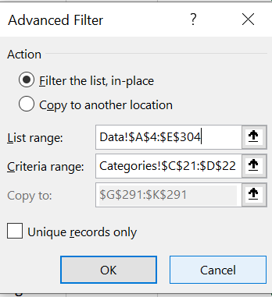

 | Click here to see the result of the filtering!

3. Find people who either have the first name Guy or weigh 70 KG.

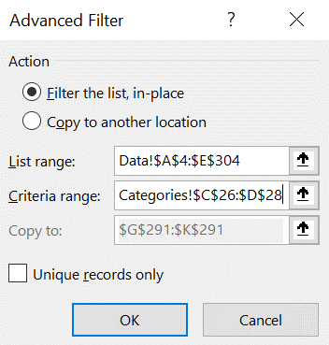

 | Click here to see the result of the filtering!

4. I want to find people who I can practice Karate in London with. However, in order for it to be a fair fight, they need to weigh a maximum weight of 72, how would I do this?

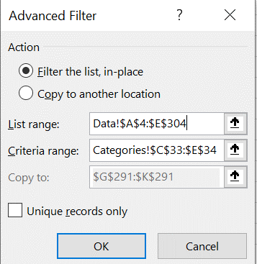

 | Click here to see the result of the filtering!

5. Filter for people with a first name that contains B , followed by a single letter, followed by N

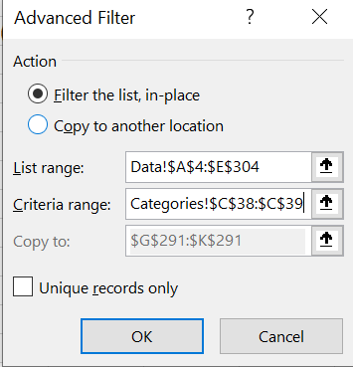

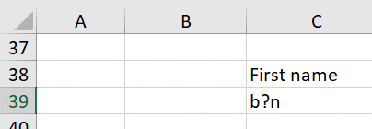

 | Click here to see the result of the filtering!

6. Filter for people whose Last Name starts with J, followed by 0 or more characters, followed by the letter S

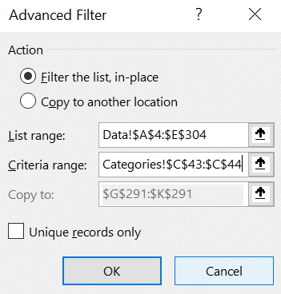

 | Click here to see the result of the filtering!

